Q3
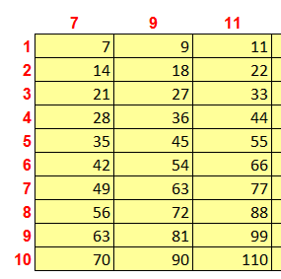
 | Instruction
 | Create a multiplication table (which you read in school days) in the space below by entering a single formula in the upper |  |  |  |  |  |  |  |  |  | Example of Table
 | left-hand cell and copying that one formula to fill the rest of the table.
 | Marks: B8:K17 = 10 Marks; Total = 10 Marks
 | Don't Enter Values, everywhere use formula only.

 | 7 | 9 | 11 | 13 | 15 | 17 | 19 | 21 | 23 | 25
1 | 7
2
3 | 21
4
5
6
7
8
9
10

 |  |  |  |  |  |  |  |  |  | Shravani 9/25/2017 6:35:52 PM

